Info & Intro
 |  |  | NGBS Scoring for Remodeling ICC 700-2020 National Green Building Standard®

 |  |  | All rights reserved. This document is protected by U.S. copyright law. Requirements from ICC 700-2020 National Green Building Standard® © 2020 National Association of Home Builders of the U.S. - used by permission. Home Innovation authorizes use of this document only by those individuals/organizations participating in Home Innovation's NGBS Green program and solely for purpose of seeking NGBS Green certification from the Home Innovation Research Labs.

Version | 4.0.2 | Revision Date: |  | 2020-05-10 22:53:37

 | This workbook will be updated periodically. Before scoring a project, check if you have the latest version.
 | Go to http://www.homeinnovation.com/greenscoring to download the latest version of the NGBS Scoring for Remodeling spreadsheet.

Introduction

 | This workbook allows you to score a renovated multifamily or mixed-use building to the ICC 700-2020 National Green Building Standard®. This workbook includes sections for the residential portions of the building, as well as a section for use when commercial space certification is being pursued. Use of the NGBS Green Scoring Tool is the required entry point for Home Innovation's NGBS Green Certification. This workbook is intended to be used in conjunction with the publication ICC 700-2020 National Green Building Standard®. Please read the instructions below. Excel 2013 or 2016 is required.

Caveats

 | DO NOT PASTE ANYTHING INTO THE WORKSHEET. CELL PROTECTION, VALIDATION, AND CONDITIONAL FORMATTING CAN BE ALTERED BY PASTING. THIS WILL BREAK YOUR SHEET.

 | This scoring tool was developed using Microsoft Excel for PC. Features of this spreadsheet may not work in older Excel versions, in spreadsheet software other than Excel, or platforms other than Windows.

Instructions

 | This tool follows 3 distinct phases: the Design phase, Rough Verification, and Final Verification. While the Design Phase is not required to earn certification, it is helpful in the overall process. Two Verification phases ARE required, with one occurring following rough-in and the second occurring after construction is complete.

 | DESIGN PHASE:

 | Begin on the Overview (Design) page. Complete all mandatory information and as much non-mandatory information as possible before moving on to the rest of the workbook.

 | Chapters 5 through 10 are for the design phase. Claim practices using checkboxes, dropdowns, and number entry. Practices are colored based on their availability (see Key below).

 |  | Use the notes column to add explanation or extra information regarding a practice. Some practices require a note of explanation and will indicate as such.

 |  | Information in the header will track your points progress for that Chapter in real time. The header will also display warnings if you are missing any mandatory information or there is an error on that page. The Chapter Level may not display while there are still errors on the page.

 | The Required Documentation page shows the paperwork necessary if claiming certain practices. These can be filtered to only show those that were claimed in the Design phase.

 | The Design Summary page shows a summary of the points claimed in the Design phase. It will also indicate if there is anything missing or incorrect in each Chapter.

 | When you have finished scoring the design phase, send this file as an attachment to your verifier. They will complete the remainder. Accredited verifiers can be found at:
 | www.homeinnovation.com/FindNGBSverifier

 | VERIFICATION PHASE:

 | Verifiers should begin with the Overview (Verification) page. Verifiers must confirm the information on the Overview (Design) page. If any information is incorrect, uncheck the corresponding checkbox and enter the correct information here.

 | The Verification Report page is used for both parts of the Verification phase. At the top of the page, select the goal level and the phase (Rough or Final).

 |  | Some practices should only be claimed during one phase of Verification. If the practice is not available during your current phase, it will be greyed out.

 |  | Points claimed in the Design phase are displayed for easy comparison. On practices where the choices are not obvious based on point values, chosen portions of the practice will be highlighted in green.

 | When the rough portion of the Verification phase is complete, move on to the Rough Signature page. Fill out the necessary information before submitting the file to Home Innovation.

 | When the final portion of the Verification phase is complete, move to the Final Signature page. Fill out necessary information before submitting the file to Home Innovation.

Advanced (filtering)

 | The "Required Documentation" and "Verification Report" sheets have filters built in. You can use these filters to hide rows that are irrelevant to you.

 |  | On the far left of the "Required Documentation" sheet, there are three dynamic columns which change based on what you did in the design portion.
 |  | If you click on the arrow in the top left, you will see options for filtering out certain values. If you uncheck values other than "P", practices not chosen will be hidden.

 |  | The "Verification Report" sheet has three columns on the left: Chapter, Points, and Rough/Final. You can use each filter to hide practices that are not relevant to you.

 | The points filtering is based on the current state of the design portion when the filter is applied. If the selected practices are changed, you will have to undo and redo the filtering.
 | The filtering is easily undone and redone. Just click the arrow again and recheck each value you want to display.

 | DO NOT SELECT "SORT". SORTING WILL NOT DO ANYTHING POSITIVE. IF YOU ACCIDENTALLY SORT SOMETHING, UNDO (CTRL + Z) AND IT SHOULD GO BACK TO NORMAL BUT MAY CRASH.

Key

 |  | Normal Entry (optional) - Use the checkbox or dropdown to indicate the status of the adjacent practice.

 |  | Mandatory Entry or Mandatory Note - This field is required in order for the worksheet to be considered complete and submitable.

 |  | Answered - You have affirmed that this practice was chosen/not chosen or met/not met.

 |  | Error - Something is wrong. Review practice text for explanation.

 |  | Note Entry - A place for you to elaborate. If a note is mandatory it will turn yellow. Notes required due to selecting a practice out of phase (rough or final) will not turn yellow.

 |  | Off Limits - Some other answer or lack of answer disqualifies you from this practice or the practice is not available during the current phase (rough or final).

CLICK HERE TO GET STARTED!

Rough Comm. Sig.
 |  |  | © Home Innovation Research Labs, Inc., 2020. All rights reserved.

 |  | Sign Off After ROUGH Inspection For Commercial Spaces

Project ID: |  | See Batch Submission |  |  | Comm. Space pathway selected: | NOT PERSUING COMMERCIAL

Builder/Applicant: |  | TWG Development |  |  | Project Description: | n/a

Address of Home: |  | See Batch Submission

Community/Lot #: |  | None entered on "Overview (Verification)" Sheet

Climate Zone: |  | 3 Moist

 |  | There are errors in the Verification Report Sheet! |  |  | There is missing mandatory information on this sheet!

 |  | 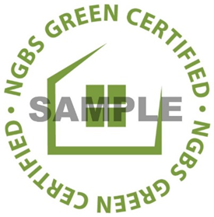

 |  |  |  | NOT PERSUING COMMERCIAL

 |  | I certify to the best of my knowledge all practices in this verification report have been properly met during the construction of this building. By signing this, I am requesting that the verifier submit this report/building for consideration of a certificate for certification to the National Green Building Standard under the Home Innovation's NGBS Green Certification Program. I understand that the final certification level will be based on results of the rough and final inspections after review by Home Innovation.

Client Rep. Signature: (Optional) |  |  |  | Client Signature Release:

Client Comments:

 | Name:

 | Email:

 | Phone:

 | Date:

 |  | Verifier Comments & Sign Off

 |  | I have personally verified by inspection and/or document review the green practices for which I have awarded points during this rough inspection on this building following the guidance in theVerifier Agreement and Verifiers Resource Guide. My company is not supplying product, participating in the physical construction of this project, or affiliated in any other way that would compromise the independence of my verification services.

Verifier Signature:

Verifier Comments:

Name:

Email:

Phone:

Start Time: |  |  | (format: hh:mm AM)

End Time:

Date: |  |  | (format: mm/dd/yyyy)

 |  | Team Verification
 |  | (Completing this section is MANDATORY whenever multiple accredited verifiers are involved in the verification of a given building or homes within a batch.)

 |  | Verifier Name | Role | Elements Verified (if applicable) |  | Inspection Dates (if applicable)
 | 1
 | 2
 | 3
 | 4
 | 5

 |  | OPTIONAL BATCH SUBMISSION

 |  | Rough Address |  | City, State, Zip |  | Project ID | Inspection Date (format: mm/dd/yyyy)
 | 1 |  |  | Atlanta, Georgia 30311
 | 2
 | 3
 | 4
 | 5
 | 6
 | 7
 | 8
 | 9
 | 10
 | 11
 | 12
 | 13
 | 14
 | 15
 | 16
 | 17
 | 18
 | 19
 | 20

 |  | - REQUIREMENTS FOR BATCH SUBMISSION -

 |  | • A batch can either consist of single-family homes or multifamily buildings; however, only NGBS Green Master Verifiers can batch multifamily.

 |  | • A batch can consist of 2-20 buildings.

 |  | • Batch submission is at the discretion of the verifier. A building can be removed from a batch at any time and submitted separately. Except for buildings that are removed for individual report submission, buildings should be grouped within the same batch for both rough and/or final submissions.

 |  | • All buildings within a batch must be built by the same builder.

 |  | • Single-family homes must be located within the same community. Multifamily buildings must be within the same registered project.

 |  | • All buildings must have substantially the same construction type and the same heating and cooling systems.

 |  | • The standard inspection notification process must be followed for each building.

 |  | • All inspections of the same type (rough or final) must be completed before submitting the report. All buildings must be inspected, and the inspection dates need to be included for each address.

 |  | • All buildings within a batch listed earn the same certification level. Mandatory practices and points are only awarded for items that all buildings meet. Where applicable, the energy efficiency report for the worst-case in the batch must be submitted and values entered within the verification report.

 |  | • Photos for each building are to be submitted, each titled with their respective Project ID.

Figure 6(2)
Figure 6(2): Average Annual Precipitation

 | back to 602.1.12 |  | back to Table 602.1.12 | back to Verification Report

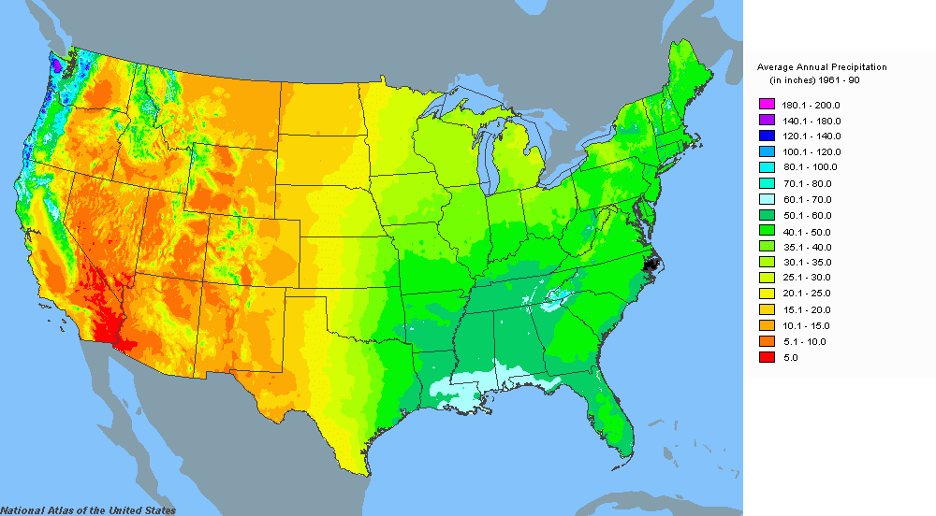

 | Source: | www.nationalatlas.gov

Figure 6(3)
Figure 6(3): Termite Infestation Probability Map

 | back to 602.1.5 | back to 602.1.6 | back to Verification Report
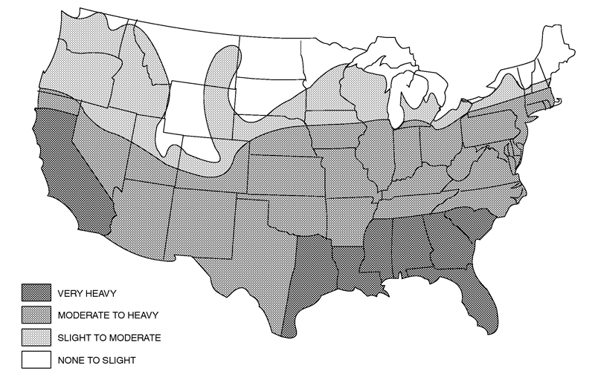

 |  |  |  | Source: 2006 International Residential Code. International Code Council, Inc., Country Club Hill, Illinois. Reproduced with permission. All rights reserved. | www.iccsafe.org

